number3
 | x | a | y | b | l
 | 6.36E-01 | -7.07E-01 | 0.00E+00 | 0.00E+00 | -3.54E-01 | x
 | 8.41E-01 | 6.36E-01 | 0.00E+00 | 0.00E+00 | -1.82E-01 | a
 | 0.00E+00 | 0.00E+00 | 1.00E+00 | 0.00E+00 | 0.00E+00 | y
 | 0.00E+00 | 0.00E+00 | 9.85E-01 | 1.00E+00 | 0.00E+00 | b
 | 0.00E+00 | 0.00E+00 | 0.00E+00 | 0.00E+00 | 1.00E+00 | l
 | 1.82E-01 | 3.54E-01 | 0.00E+00 | 0.00E+00 | 2.27E-01 | dK

(x|x) = | 0.64 |  | Magnification = 0.64: X is squished because outer paths stay in magnet longer and inner paths are not bent as much because they sepnd less time in the magnet.
(x|a) = | 0.84 |  | Offset in angle --> offset in x
(x|dK) = | 0.18 |  | Offset in KE --> offset in x
(a|x) = | -0.71 |  | Offset in x --> opposite offset in angle, see (x|x)
(a|a) = | 0.64 |  | Angle magnification: Angle differences are decreased, see (x|x)
(a|dK) = | 0.35 |  | Offset in KE --> offset in angle
(y|y) = | 1.00 |  | Y is not affected by dipole field.
(y|b) = | 0.99 |  | But y still depends on incoming angle.
(b|y) = | 0.00 |  | B does not depend on incoming y.
(b|b) = | 1.00 |  | B is not affected by dipole field
(l|x) = | -0.35
(l|a) = | -0.18
(l|l) = | 1.00
(l|dK) = | 0.23

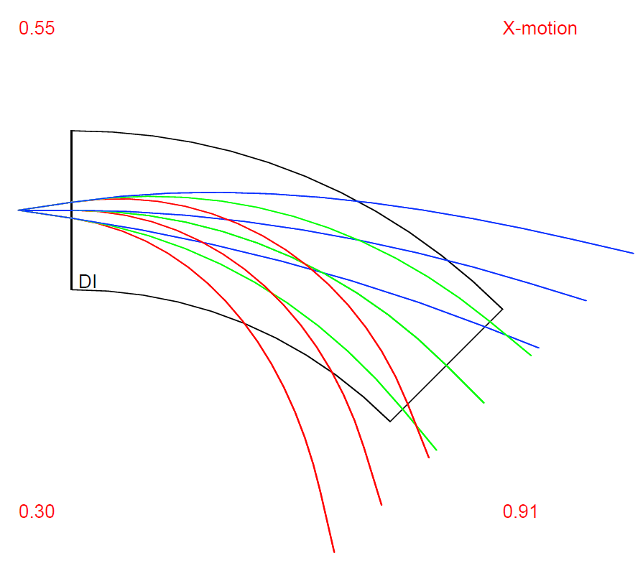
CODE:
INCLUDE 'COSY' ;
PROCEDURE RUN ;
OV 1 3 1 ; {order 1, phase space dim 3 INCLUDING ENERGY, # of parameters 0}
RP 20 21 11 ; {kin. energy, mass 21 amu, charge 11}
UM ; {sets maps to unity}

SB 0 0.03 0 0.01 0 0 0 0.3 0 0 0 ;
ER 1 3 3 1 1 3 1 1 ;

PTY 5;
BP ; {begins a picture}

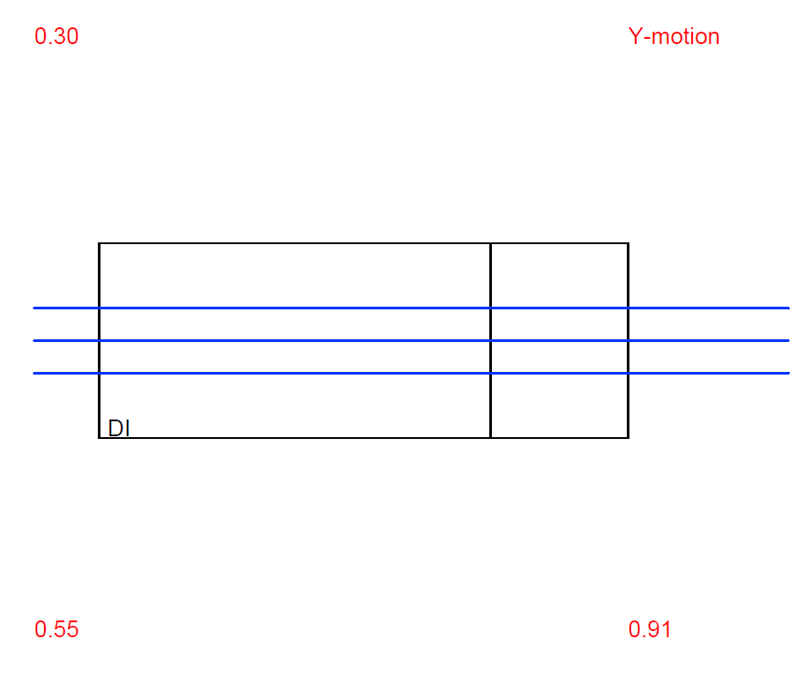
DL .1; {drift length .1 m}
DI 1. 45. .03 0 0 0 0; {parallel face dipole, radius 1.0 m, angle 45 deg, aperture 3 cm}
DL .1; {drift length .1 m}

EP ; {ends a picture}
PG -1 -2 ; {outputs x,y picture on screen}

PM 6 ; {Prints Transfer Matrix on Screen}
PM 11 ;{Prints Transfer Matrix to file fort.11}

ENDPROCEDURE ;
RUN ; END ;

