3.
Problem 3
 | x | a | y | b | l
 | 6.36E-01 | -7.07E-01 | 0.00E+00 | 0.00E+00 | -3.54E-01 | x
 | 8.41E-01 | 6.36E-01 | 0.00E+00 | 0.00E+00 | -1.82E-01 | a
 | 0.00E+00 | 0.00E+00 | 1.00E+00 | 0.00E+00 | 0.00E+00 | y
 | 0.00E+00 | 0.00E+00 | 9.85E-01 | 1.00E+00 | 0.00E+00 | b
 | 0.00E+00 | 0.00E+00 | 0.00E+00 | 0.00E+00 | 1.00E+00 | l
 | 1.82E-01 | 3.54E-01 | 0.00E+00 | 0.00E+00 | 2.27E-01 | dK

(x|x) = | 0.64 |  | Magnification = 0.64: X is squished because outer paths stay in magnet longer and inner paths are not bent as much because they sepnd less time in the magnet.
(x|a) = | 0.84 |  | Offset in angle --> offset in x
(x|dK) = | 0.18 |  | Offset in KE --> offset in x
(a|x) = | -0.71 |  | Offset in x --> opposite offset in angle, see (x|x)
(a|a) = | 0.64 |  | Angle magnification: Angle differences are decreased, see (x|x)
(a|dK) = | 0.35 |  | Offset in KE --> offset in angle
(y|y) = | 1.00 |  | Y is not affected by dipole field.
(y|b) = | 0.99 |  | But y still depends on incoming angle.
(b|y) = | 0.00 |  | B does not depend on incoming y.
(b|b) = | 1.00 |  | B is not affected by dipole field
(l|x) = | -0.35
(l|a) = | -0.18
(l|l) = | 1.00
(l|dK) = | 0.23

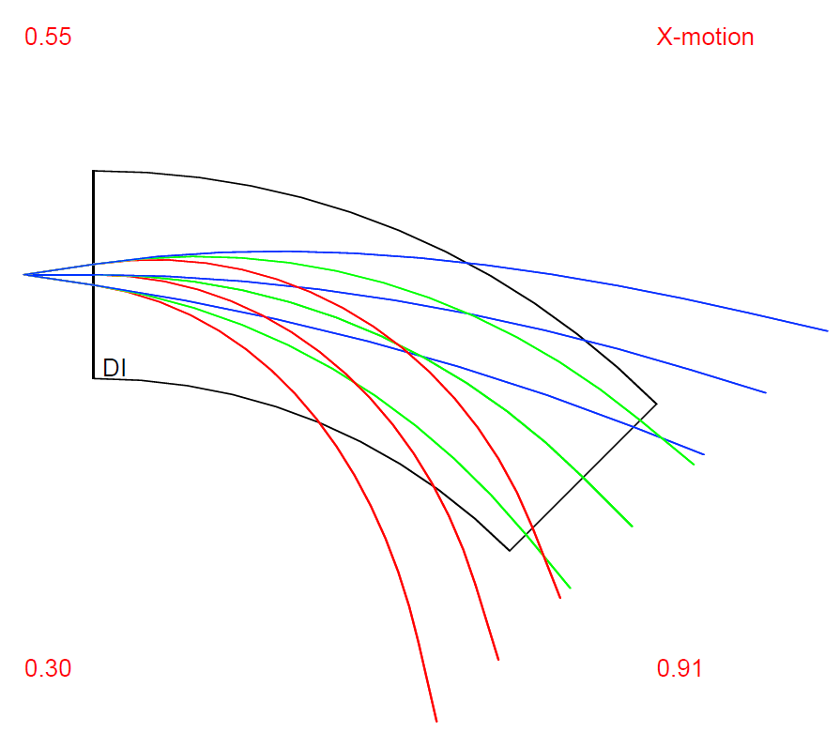
CODE:
INCLUDE 'COSY' ;
PROCEDURE RUN ;
OV 1 3 1 ; {order 1, phase space dim 3 INCLUDING ENERGY, # of parameters 0}
RP 20 21 11 ; {kin. energy, mass 21 amu, charge 11}
UM ; {sets maps to unity}

SB 0 0.03 0 0.01 0 0 0 0.3 0 0 0 ;
ER 1 3 3 1 1 3 1 1 ;

PTY 5;
BP ; {begins a picture}

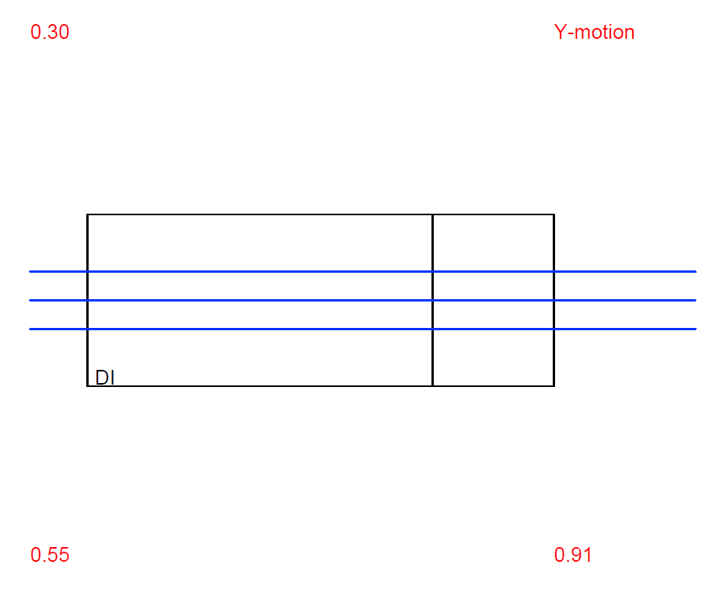
DL .1; {drift length .1 m}
DI 1. 45. .03 0 0 0 0; {parallel face dipole, radius 1.0 m, angle 45 deg, aperture 3 cm}
DL .1; {drift length .1 m}

EP ; {ends a picture}
PG -1 -2 ; {outputs x,y picture on screen}

PM 6 ; {Prints Transfer Matrix on Screen}
PM 11 ;{Prints Transfer Matrix to file fort.11}

ENDPROCEDURE ;
RUN ; END ;

Note: We used DI instead of DP to match a "textbook dipole" rather than a parallel dipole.

4.
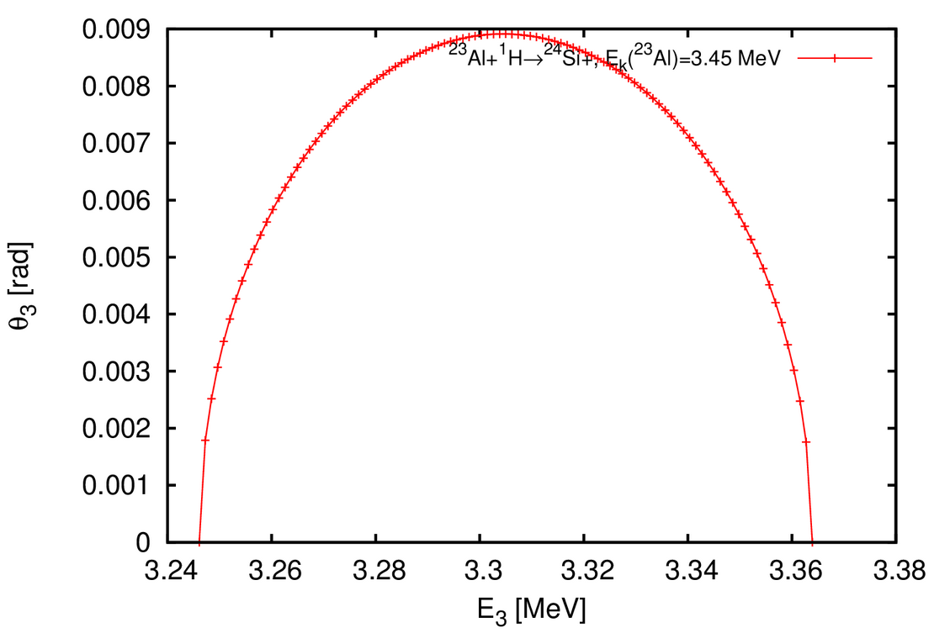
Problem 4
Reaction: Al-23 (p,g)
http://skisickness.com/2010/04/relativistic-kinematics-calculator/

Projectile (m1) | 23Al
Target (m2) | 1H
Ejectile (m3) | 24Si
Recoil (m4) | gamma

Projectile E | 3.45 | MeV | kinetic | (150 keV / A)
Ejectile Ex | 0 | MeV
Recoil Ex | 0 | MeV

The maximum 24Si energy is 3.364 MeV. The minimum 24Si energy is 3.246 MeV. The maximum 24Si angle is 0.51 degrees.
The maximum energy is 3.486 MeV. The minimum energy is 3.368 MeV.

