3.
Problem 3

x | a | y | b | l
6.36E-01 | -7.07E-01 | 0.00E+00 | 0.00E+00 | -3.54E-01 | x
8.41E-01 | 6.36E-01 | 0.00E+00 | 0.00E+00 | -1.82E-01 | a
0.00E+00 | 0.00E+00 | 1.00E+00 | 0.00E+00 | 0.00E+00 | y
0.00E+00 | 0.00E+00 | 9.85E-01 | 1.00E+00 | 0.00E+00 | b
0.00E+00 | 0.00E+00 | 0.00E+00 | 0.00E+00 | 1.00E+00 | l
1.82E-01 | 3.54E-01 | 0.00E+00 | 0.00E+00 | 2.27E-01 | dK

(x|x) = | 0.64 |  | Magnification = 0.64: X is squished because outer paths stay in magnet longer and inner paths are not bent as much because they sepnd less time in the magnet.
(x|a) = | 0.84 |  | Offset in angle --> offset in x
(x|dK) = | 0.18 |  | Offset in KE --> offset in x
(a|x) = | -0.71 |  | Offset in x --> opposite offset in angle, see (x|x)
(a|a) = | 0.64 |  | Angle magnification: Angle differences are decreased, see (x|x)
(a|dK) = | 0.35 |  | Offset in KE --> offset in angle
(y|y) = | 1.00 |  | Y is not affected by dipole field.
(y|b) = | 0.99 |  | But y still depends on incoming angle.
(b|y) = | 0.00 |  | B does not depend on incoming y.
(b|b) = | 1.00 |  | B is not affected by dipole field
(l|x) = | -0.35
(l|a) = | -0.18
(l|l) = | 1.00
(l|dK) = | 0.23

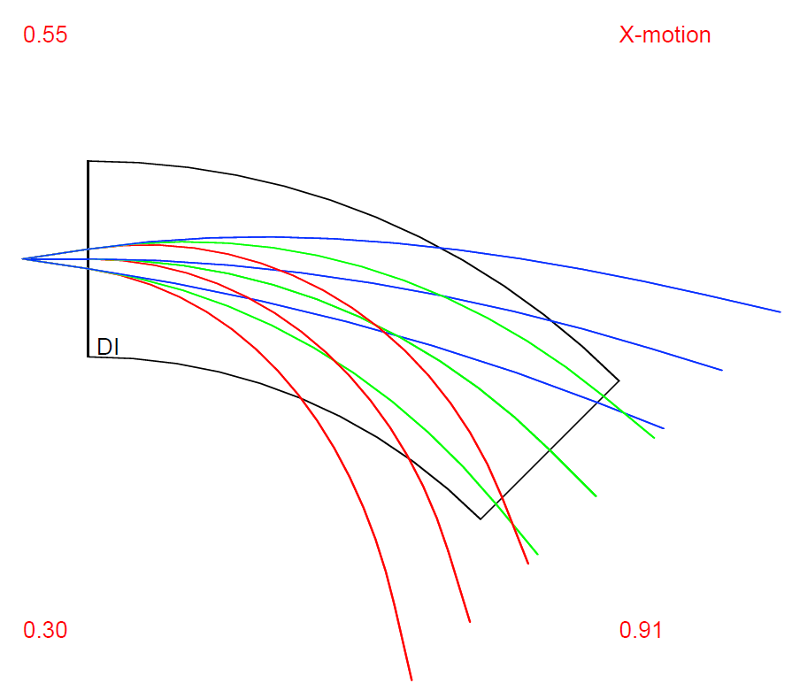
Code:
INCLUDE 'COSY' ;
PROCEDURE RUN ;
OV 1 3 1 ; {order 1, phase space dim 3 INCLUDING ENERGY, # of parameters 0}
RP 20 21 11 ; {kin. energy, mass 21 amu, charge 11}
UM ; {sets maps to unity}

SB 0 0.03 0 0.01 0 0 0 0.3 0 0 0 ;
ER 1 3 3 1 1 3 1 1 ;

PTY 5;
BP ; {begins a picture}

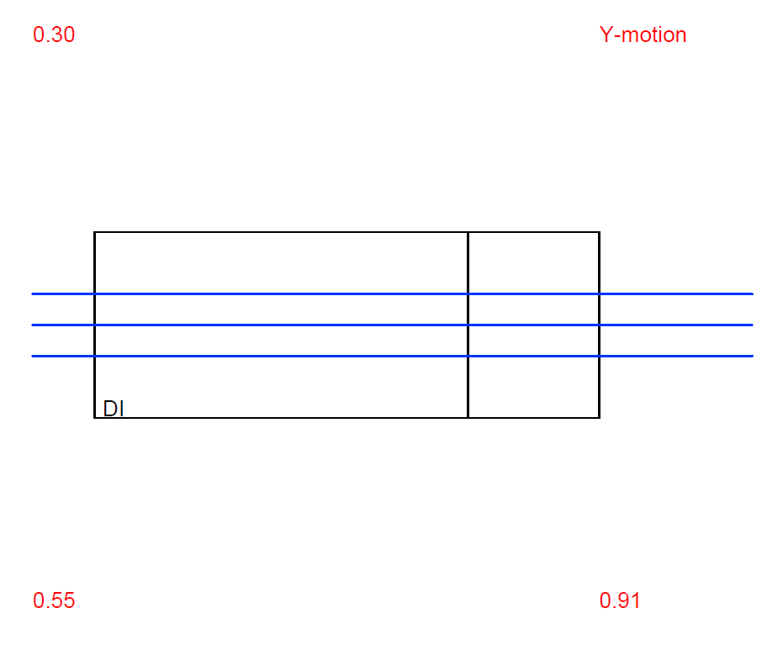
DL .1; {drift length .1 m}
DI 1. 45. .03 0 0 0 0; {parallel face dipole, radius 1.0 m, angle 45 deg, aperture 3 cm}
DL .1; {drift length .1 m}

EP ; {ends a picture}
PG -1 -2 ; {outputs x,y picture on screen}

PM 6 ; {Prints Transfer Matrix on Screen}
PM 11 ;{Prints Transfer Matrix to file fort.11}

ENDPROCEDURE ;
RUN ; END ;

Note: We used DI instead of DP to match a "textbook dipole" rather than a parallel dipole.

4.
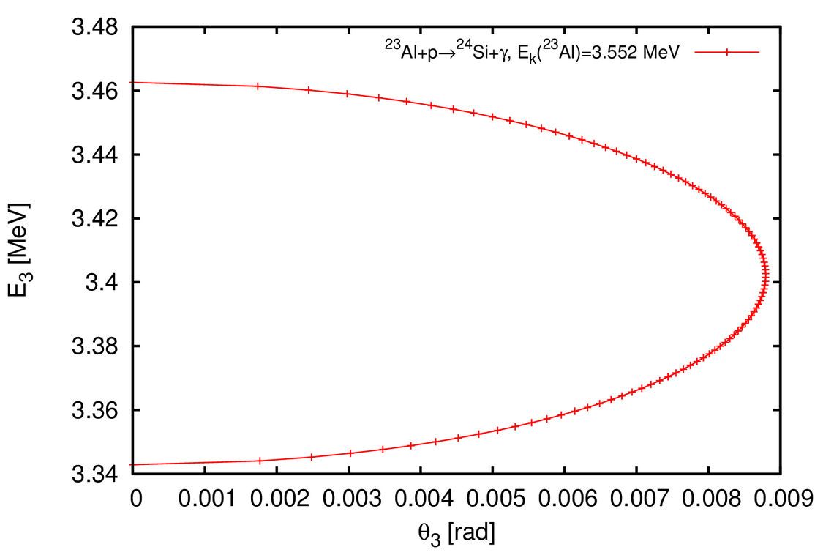
Problem 4

Reaction: Al-23 (p,g) |  |  |  |  | Result:
http://skisickness.com/2010/04/relativistic-kinematics-calculator/ |  |  |  |  | a. | The maximum angle is about 9 mrad, which fits the angular acceptance of 25 mrad.
 |  |  |  |  | b. | The energy spread is
Projectile (m1) | 23Al |  |  |  | ± | 1.76%
Target (m2) | 1H |  |  |  |  | This fits in SECAR's energy acceptance of 3.1%.
Ejectile (m3) | 24Si
Recoil (m4) | gamma

Projectile E | 3.552 | MeV | kinetic | <-- This is where a resonance is
Ejectile Ex | 0 | MeV
Recoil Ex | 0 | MeV

The maximum 24Si energy is 3.463 MeV. The minimum 24Si energy is 3.343 MeV. The maximum 24Si angle is 0.5 degrees.
The maximum γ energy is 3.492 MeV. The minimum γ energy is 3.372 MeV.

6.
Problem 6

L = | 6.08505 | m
Quadrupole Gradient (Flux density at pole tip) | Gradient (divide by aperture) | x_max (VMAX(RAY(1)) | (x_max)2
-0.10 | -0.769 | 4.92E-03 | 2.42E-05
-0.09 | -0.692 | 4.25E-03 | 1.81E-05
-0.08 | -0.615 | 3.59E-03 | 1.29E-05
-0.07 | -0.538 | 2.92E-03 | 8.55E-06
-0.06 | -0.462 | 2.27E-03 | 5.14E-06
-0.05 | -0.385 | 1.61E-03 | 2.60E-06
-0.04 | -0.308 | 9.61E-04 | 9.24E-07
-0.03 | -0.231 | 6.24E-04 | 3.89E-07
-0.02 | -0.154 | 9.09E-04 | 8.27E-07
-0.01 | -0.077 | 1.19E-03 | 1.42E-06
0.00 | 0.008 | 1.67E-03 | 2.79E-06
0.01 | 0.077 | 2.24E-03 | 5.02E-06
0.02 | 0.154 | 2.87E-03 | 8.23E-06
0.03 | 0.231 | 3.50E-03 | 1.22E-05
0.04 | 0.308 | 4.12E-03 | 1.70E-05
0.05 | 0.385 | 4.74E-03 | 2.24E-05

Fit Coefficients
a = | 6.92E-05 |  | a = | 6.92E-05 | ecosy = | 1.01E-07
-2ab = | 2.56E-05 |  | b = | -1.85E-01 | eth = | 6.28E-07
ab2+c = | 2.58E-06 |  | c = | 2.02E-07 | ratio = | 0.16

 |  |  | σ11 = | 1.87E-06 | ecosy = | 1.01E-07
 |  |  | σ12 = | 3.94E-08
 |  |  | σ22 = | 6.28E-09

